Sheet1
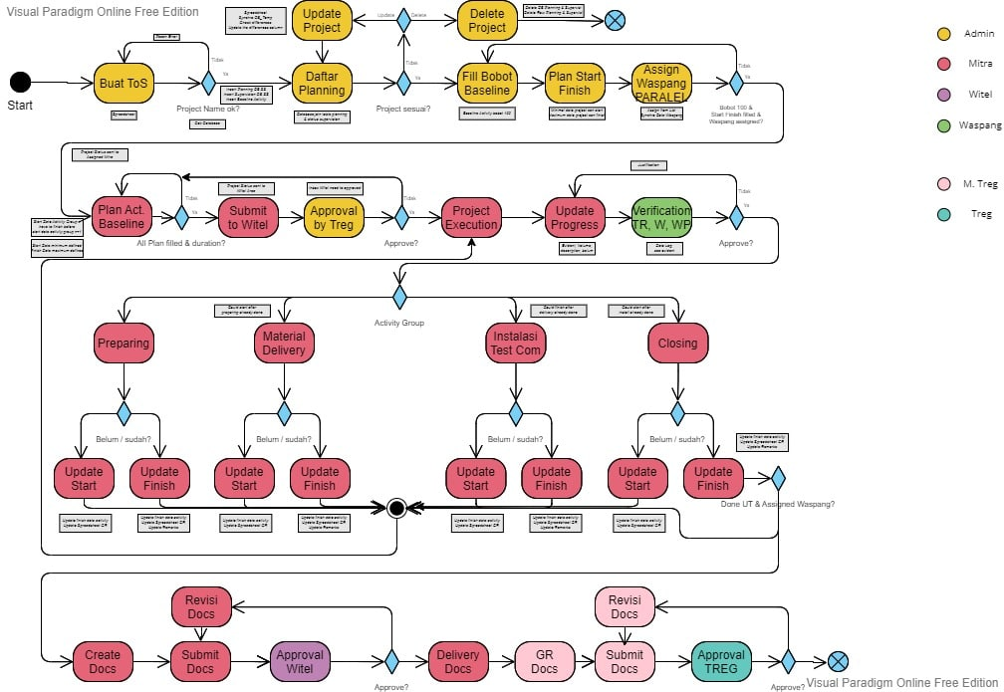

Perhitungan performansi
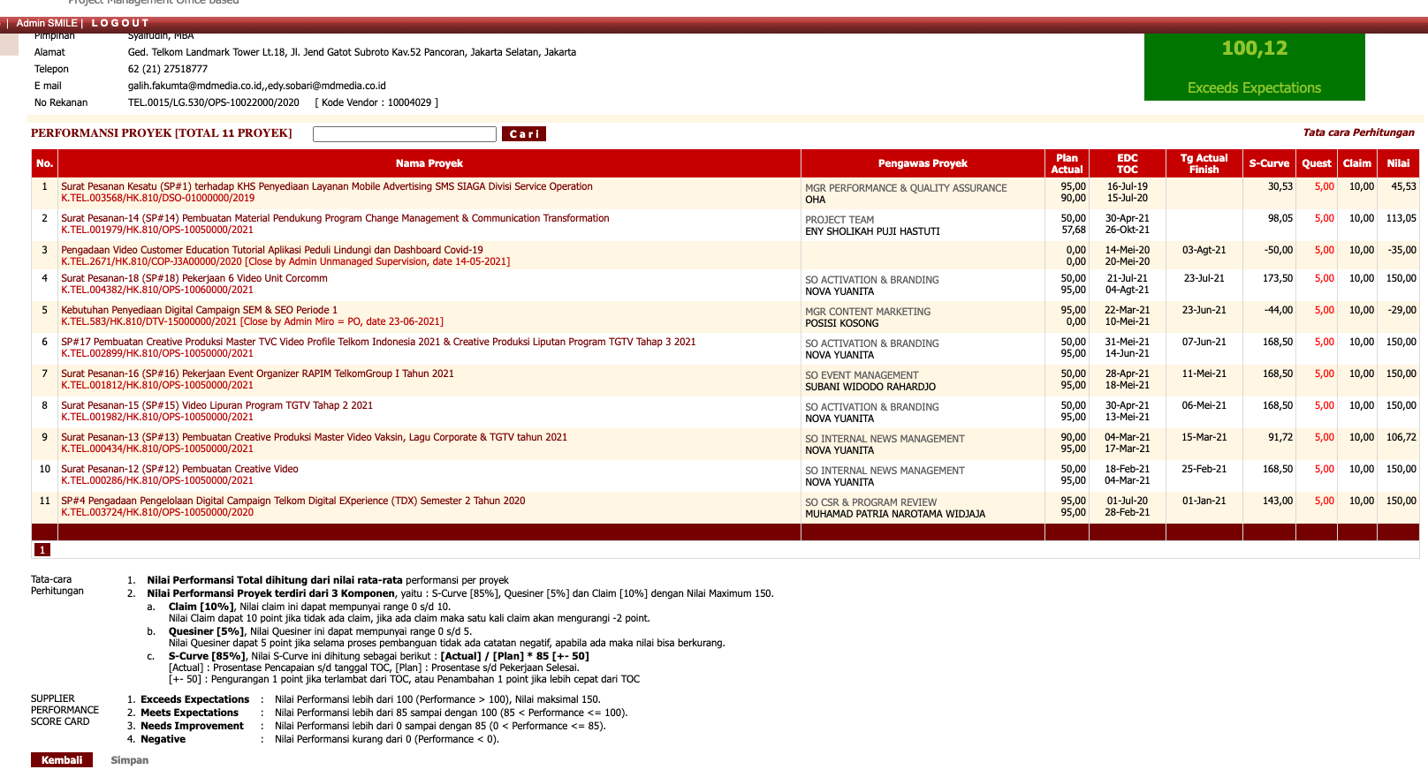
*claim maks 5 claim
claim 10%
s-curves 90%

TABEL SUPERVISI
NO | TEMATIK | WITEL | STO | PROJECT NAME | MITRA | NO. SP TELKOM | EDC | TOC | MATERIAL [KONTRAK] | JASA [KONTRAK] | TOTAL [KONTRAK] | MATERIAL [BAST-1] | JASA [BAST-1] | TOTAL [BAST-1] | TOTAL [Akhir] | PLAN HOMEPASS | REAL HOMEPASS | WASPANG [NAMA / NIK / NO. TLP] | TIM UT [NAMA / NIK / NO. TLP] | STATUS CONS | REMARKS | PROGRESS CONS | TGL SELESAI CT | TGL SELESAI UT | TGL REKON | TGL BAST-1 | DURASI CT | DURASI UT | DURASI REKON | STATUS GL SDI | KET GL SDI (JIKA STATUS GL nya : KENDALA) | STATUS ABD | ID SW | ID IMON | ODP-8 | ODP-16 | PS 1:8 | PS 1:16 | ODP PORT | NAMA ODP | PLAN GOLIVE | REAL GOLIVE | STATUS DOC | POSISI DOC | PROGRES DOC | DRM | PELIMPAHAN | SP | ND WASPANG | BA BATI | BA PEKSEL 100% | FORM CT | APD (REDLINE) | OTDR CT | BOQ CT | BA CT | PERMINTAAN UT | ND UT | FORM UT | ABD | MCORE | MATRIX | BoQ UT | BA UT | BA REKON | AMD | BAST-1 | VERIFIKATOR
1 | FTTH-1 2021 | MAKASSAR | MATTOANGIN | JLN LANDAK | ABG | K.TEL.001673/HK.810/DR7-10400000/2021 | 44313 | 44342 | 159321881 | 37249028 | 196570909 | 159321881 | 37249028 | 196570909 | 196570909 | 551 | 0 | Ghulam Maulana / 920168 / 081229721938 | Fransiskus Egus / 651596 / 081355345642 | 10. GR |  | 100 | 2021-02-03 | 2021-02-13 | 2021-03-05 |  | 11 | 21 | 90 | 7. GOLIVE |  |  | 14269261426931 | WOTMS-2021001259 | 14 | 0 | 14 | 0 | 112 | ODP-MAT-FBS/078 - 091 |  |  | Finish | DOKUMEN OK | Dokumen OK | OK | OK | OK | NOK | NOK | NOK | NOK | NOK | NOK | NOK | NOK | NOK | NOK | NOK | NOK | NOK | NOK | NOK | NOK | NOK | NOK | NOK | DWI
2 | FTTH-1 2021 | MAKASSAR | PANAKKUKANG | GRIYA HARAPAN PAMPANG | ABG | K.TEL.001673/HK.810/DR7-10400000/2021 | 44313 | 44342 | 168317989 | 39992961 | 208310950 | 168317989 | 39992961 | 208310950 | 208310950 | 542 | 0 | Azka Aditya / 940351 / 081325738610 | Fransiskus Egus / 651596 / 081355345642 | 10. GR |  | 100 | 2021-01-22 | 2021-02-13 | 2021-03-05 |  | 23 | 21 | 90 | 7. GOLIVE |  |  | 1549147#1549152 | WOTMS-2021001256 | 14 | 0 | 14 | 0 | 112 | ODP-PNK-FDL/069 - 082 |  |  | Finish | DOKUMEN OK | Dokumen OK | OK | OK | OK | NOK | NOK | NOK | NOK | NOK | NOK | NOK | NOK | NOK | NOK | NOK | NOK | NOK | NOK | REV | NOK | NOK | NOK | NOK | Wardha
3 | FTTH-1 2021 | MAKASSAR | TAMALANREA | MUTIARA GADING 3 , MUTIARA GADING 2 | ABG | K.TEL.001673/HK.810/DR7-10400000/2021 | 44313 | 44342 | 337437823 | 103448213 | 440886036 | 337437823 | 103448213 | 440886036 | 440886036 | 211 | 0 | Rizky Praditya / 930231 / 081252833082 | Fransiskus Egus / 651596 / 081355345642 | 10. GR |  | 100 | 2021-02-04 | 2021-02-13 | 2021-03-05 |  | 10 | 21 | 90 | 7. GOLIVE |  |  | 1472732#1472737 | WOTMS-2021001251 | 39 | 0 | 39 | 0 | 312 | ODP-TMA-FAR/001 - 039 |  |  | Finish | DOKUMEN OK | Dokumen OK | OK | OK | OK | NOK | NOK | NOK | NOK | NOK | NOK | NOK | NOK | NOK | NOK | NOK | NOK | NOK | NOK | NOK | NOK | NOK | NOK | NOK | Rizal
4 | FTTH-1 2021 | MAKASSAR | SUNGGUMINASA | Jalan Abdul Rahman dan Bontoa Indah Permai Barombong, BIRONG BALANG | BAGAMAS | K.TEL.001609/HK 810/DR7-10400000/2021 | 44312 | 44371 | 84678730 | 19984318 | 104663048 | 84678730 | 19984318 | 104663048 | 104663048 | 275 | 0 | Azwar Hamsir / 926112 / 08114444994 | Ambo Upe / 650518 / 085103540055 | 09. BAST-1 |  | 100 | 2020-12-04 | 2020-12-11 |  |  | 8 | 174 | 0 | 7. GOLIVE |  |  | 1337808#1337813 | WOTMS-2021001255 | 7 | 0 | 7 | 0 | 56 | ODP-SUG-FBX/086 - 092 |  | 2021-01-01 | Finish | DOKUMEN OK | Dokumen OK | OK | OK | OK | NOK | NOK | NOK | NOK | NOK | NOK | NOK | NOK | NOK | NOK | NOK | NOK | NOK | NOK | NOK | NOK | NOK | NOK | NOK | DWI
4 | FTTH-1 2021 | MAKASSAR | TAKALAR | DESA TONASA CAMPAGAYYA, DESA BONTOMARANNU, DESA PADDINGIN, Bontorita/Kalenna Bontongape | BAGAMAS | K.TEL.001609/HK 810/DR7-10400000/2021 | 44312 | 44371 | 727074065 | 163186763 | 890260828 | 727074065 | 163186763 | 890260828 | 890260828 | 1762 | 0 | Azwar Hamsir / 926112 / 08114444994 | Herri Soeharyono / 633516 / 082346336628 | 09. BAST-1 |  | 100 | 2021-02-05 | 2021-02-20 |  |  | 16 | 103 | 0 | 7. GOLIVE |  |  | 1652236#1652241 | WOTMS-2021001261 | 36 | 0 | 35 | 0 | 280 | ODP-TKA-FN/001 - 036 |  |  | Finish | DOKUMEN OK | Dokumen OK | OK | OK | OK | NOK | NOK | NOK | NOK | NOK | NOK | NOK | NOK | NOK | NOK | NOK | NOK | NOK | NOK | NOK | NOK | NOK | NOK | NOK | DWI
6 | FTTH-1 2021 | SULSELBAR | POLEWALI | OTA TUAL | BAGAMAS | K.TEL.001241/HK.810/DR7-10400000/2021 | 44308 | 44352 | 383627910 | 80055876 | 463683786 | 383627910 | 80055876 | 463683786 | 463683786 | 975 | 0 | Nurul Fawzia / 950431 / 081215960308 | Arifuddin Tiro Parawangsa / 910137 / 085399088483 | 10. GR |  | 100 | 2021-01-20 | 2021-02-20 |  |  | 32 | 103 | 0 | 7. GOLIVE |  |  | 1317756#1317761 | WOTMS-2021001235 | 25 | 0 | 25 | 0 | 200 | ODP-PLW-FAG/103 Sampai ODP-PLW-FAG/127 |  |  | Finish | DOKUMEN OK | Dokumen OK | OK | OK | OK | NOK | NOK | NOK | NOK | NOK | NOK | NOK | NOK | NOK | NOK | NOK | NOK | NOK | NOK | NOK | NOK | NOK | NOK | NOK | DWI
7 | FTTH-1 2021 | SULSELBAR | WATANGSOPPENG | NEW DS 3 ODC-WTG-FRC | BAGAMAS | K.TEL.001241/HK.810/DR7-10400000/2021 | 44308 | 44352 | 331629764 | 67298587 | 398928351 | 331629764 | 67298587 | 398928351 | 398928351 | 850 | 0 | TOMAS / 660633 / 085100310633 | Asrianti Arifin / 860134 / 085299929931 | 10. GR |  | 100 |  | 2021-01-20 |  |  | 44217 | 134 | 0 | 7. GOLIVE |  |  | 1344187#1344192 | WOTMS-2021001236 | 20 | 0 | 20 | 0 | 160 | ODP-WTG-FRC/027 SAMPAI ODP-WTG-FRC/046 |  |  | Finish | DOKUMEN OK | Dokumen OK | OK | OK | OK | NOK | NOK | NOK | NOK | NOK | NOK | NOK | NOK | NOK | NOK | NOK | NOK | NOK | NOK | NOK | NOK | NOK | NOK | NOK | DWI
 |  |  |  | sap |  |  |  |  |  |  | DIKUNCI |  |  |  | UPDATE SETIAP UPDATE SAPNYA | RUMUS DARI TABEL PLANNING DIST/8 | SMILE, KALAU SELESAI UT DI DATABASE SMILE | MANUAL
 |  |  |  |  |  |  |  |  |  |  |  |  |  |  |  |  |  |  |  |  |  |  | tgl sesuai actual finish |  |  |  |  |  |  | SDI : MANUAL |  |  |  |  |  |  |  |  |  |  |  |  |  | *status cons - Selesai UT masuk mitra area - pembuatan dokumen
 |  |  |  |  |  |  |  |  |  |  |  |  |  |  |  |  |  |  |  |  |  |  |  |  |  |  |  |  |  | *tabel ini SDI ngisi spreadsheet yg ngelink ke tabel supervisi |  |  |  |  |  |  |  |  |  |  |  |  |  | Mitra Area | Pembuatan dokumen, revisi dokumen, pengiriman dok ke regional
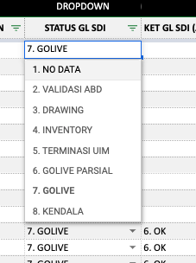
 |  |  |  |  |  |  |  |  |  |  |  |  |  |  |  |  |  |  |  |  |  |  |  |  |  |  |  |  |  | list project yg masuk nanti cuman yg sudah install done |  |  |  |  |  |  |  |  |  |  |  |  |  | Witel | Verifikasi dokumen, proses tanda tangan
 |  |  |  |  |  |  |  |  |  |  |  |  |  |  |  |  |  |  |  |  |  |  |  |  |  |  |  |  |  | *reminder - tiap install done masuk ada warningnya buat melakukan tagih ABD ke mitra untuk segera di proses inventory |  |  |  |  |  |  |  |  |  |  |  |  |  | Mitra Reg | Verif Internal, Revisi dokumen
 |  |  |  |  |  |  |  |  |  |  |  |  |  |  |  |  |  |  |  |  |  |  |  |  |  |  |  |  |  |  |  |  |  |  |  |  |  |  |  |  |  |  |  | Telkom Regional | Verifikasi dokumen, proses tanda tangan
 |  |  |  |  |  |  |  |  |  |  |  |  |  |  |  |  |  |  |  |  |  |  |  |  |  |  |  |  |  |  |  |  |  |  |  |  |  |  |  |  |  |  |  | DOKUMEN OK | DOKUMEN OK

